NEW ERA_stkopt
 |  |  |  |  |  |  |  | 16495 |  | € 590,755.20 |  | € 154,717.35 | -74%
PIC | Brand | Club | SKU | Description | Uni Size | S/M | M/L | QTY | RRP | Total RRP | Sales Price | Total Price | Discount | EAN
 | NEW ERA | NY | 373552 | New Era Junior NY Yankees Gold | 3006 |  |  | 3006 | € 24.90 | € 74,849.40 | € 7.95 | € 23,897.70 | -68% | 195600624678
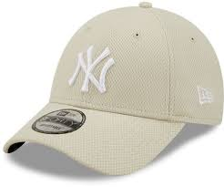 | NEW ERA | NY | 60222392 | New Era NY Yankees Stone | 2342 |  |  | 2342 | € 29.90 | € 70,025.80 | € 8.50 | € 19,907.00 | -72% | 196172939818
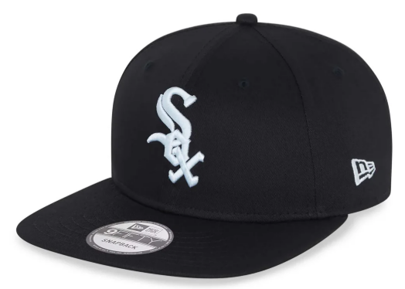 | NEW ERA | Chicago | Chicago | New Era MLB 9Fifth Chicago White Sox |  | 5978 | 5169 | 11147 | € 40.00 | € 445,880.00 | € 9.95 | € 110,912.65 | -75% | 196313980013 | 196313980006

